notes
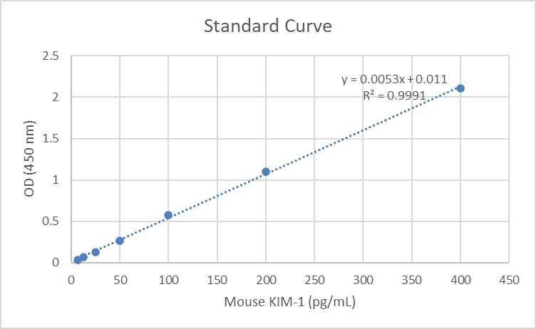
This values are from BUN assay performed on plasma by Donna Ralph

These values come from a sheet called "PFAS Mouse KIM-1 ELISA 2024-10-31.xls"

Values are given as ng/mL

